leukaemia_cml_m17
Chronic Myeloid Leukaemia (C92.1): 2015-2017

Average Number of Deaths Per Year and Age-Specific Mortality Rates per 100,000 Population, UK

Age Range | Female Deaths | Male Deaths | Female Rates | Male Rates
0 to 04 | 0 | 0 | 0.0 | 0.0
05 to 09 | 0 | 0 | 0.0 | 0.0
10 to 14 | 0 | 0 | 0.0 | 0.0
15 to 19 | 1 | 0 | 0.1 | 0.0
20 to 24 | 0 | 0 | 0.0 | 0.0
25 to 29 | 0 | 0 | 0.0 | 0.0
30 to 34 | 1 | 1 | 0.0 | 0.0
35 to 39 | 0 | 2 | 0.0 | 0.1
40 to 44 | 1 | 1 | 0.0 | 0.0
45 to 49 | 2 | 3 | 0.1 | 0.1
50 to 54 | 2 | 4 | 0.1 | 0.2
55 to 59 | 1 | 2 | 0.1 | 0.1
60 to 64 | 2 | 6 | 0.1 | 0.3
65 to 69 | 6 | 11 | 0.3 | 0.6
70 to 74 | 8 | 18 | 0.5 | 1.3
75 to 79 | 17 | 18 | 1.4 | 1.8
80 to 84 | 17 | 23 | 1.9 | 3.3
85 to 89 | 22 | 23 | 3.5 | 6.1
90+ | 18 | 14 | 4.4 | 8.0
All Ages | 98 | 125 | 0.3 | 0.5

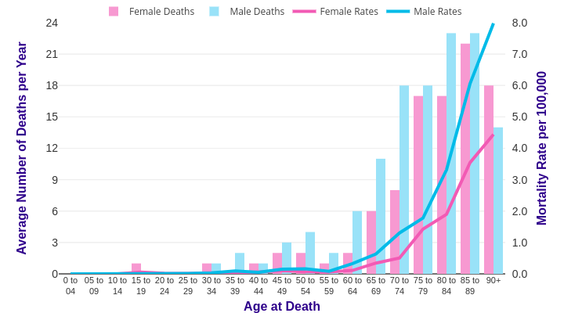

Source: cruk.org/cancerstats

You are welcome to reuse this Cancer Research UK statistics content for your own work.
Credit us as authors by referencing Cancer Research UK as the source.
Suggested style: Cancer Research UK, full URL of the page, Accessed [month] [year].

